Unit Test
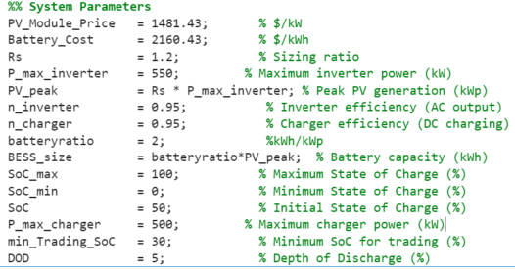
Unit Test
Scenario 1 |  |  | Scenario 2 |  |  | Scenario 3
t | 135 |  | t | 77 |  | t | 39
original demand | 157.098 | kW | original demand | 81.3566 | kW | original demand | 155.977 | kW
Generation | 3.6366 | kW | Generation | 517.406 | kW | Generation | 1.45801 | kW
SoC | 6.803 | % | SoC | 51.242 | % | SoC | 9.9676 | %
Total Curtailment | 153.461 | kW | Total Curtailment | 0 | kW | Total Curtailment | 0 | kW
Power Export | 0 | kW | Power Export | 300 | kW | Power Export | 0 | kW
Power Import | 0 | kW | Power Import | 0 | kW | Power Import | 154.519 | kW
Discharge Power | 0 | kW | Charge Power | 114.247 | kW | Discharge Power | 0 | kW

Total Real Demand | 3.637 | kW | Total Real Demand | 495.6036 | kW | Total Real Demand | 155.977 | kW
Total Supply | 3.6366 | kW | Total Supply | 517.406 | kW | Total Supply | 155.97701 | kW
Losses | -0.0004 | kW |  |  |  | Losses | 1.0000000003E-05 | kW
Loss Percentage | -0.011% |  | Losses | 21.8024 | kW | Loss Percentage | 0%
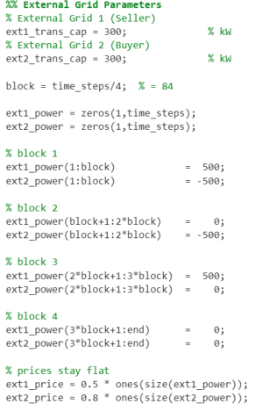
 |  |  | Loss Percentage | 4.214%

SoC test, delta_t = 0.5 | hours
t | 132
Discharge Power | 46.92 | kW
SoC | 12.74 | %
Energy taken | 23.46 | kWh

t | 133
SoC | 10.97 | %

SoC change | 1.77000 | %
BESS Size | 1320 | kWh

Calculated change in SoC | 1.77727%

